Sheet1
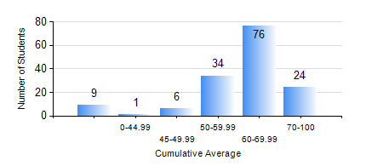
 |  |  | KWAME NKRUMAH UNIVERSITY OF SCIENCE AND TECHNOLOGY, KUMASI Department of Mechanical Engineering

 |  |  | BSC. MECHANICAL ENG.

 |  |  | COMPREHENSIVE RECORD OF EXAMINATION RESULTS

 |  |  | RESULTS OF YEAR 3 SECOND SEMESTER, 2021/2022 ACADEMIC YEAR

 | Sn | Course Code |  | Course Name | Credit Hours | Min. Mark | Max. Mark | Avg. Mark | Std. Dev. | No. Passed | No. Trailed | No. (Df) | No. (I) | No. (I*) | No. Tagged(I,I*,Df) | Total
 | 0. |  |  |  |  |  |  | 0 | 0 | 0 | 0 | 0 | 0 | 0 | 0 | 1
 | 1. | EE 252 |  | ELECTRICAL ENGINEERING MACHINES | 2 | 10 | 84 | 66 | 12.68 | 145 | 3 | 0 | 0 | 0 | 0 | 148
 | 2. | ME 352 |  | FLUID MECHANICS II | 3 | 0 | 86 | 56 | 13.92 | 144 | 5 | 0 | 0 | 0 | 0 | 149
 | 3. | ME 356 |  | STRENGTH OF MATERIALS II | 3 | 0 | 95 | 70 | 16.2 | 146 | 3 | 0 | 0 | 0 | 0 | 149
 | 4. | ME 362 |  | VIBRATIONS I | 3 | 18 | 92 | 66 | 13.76 | 142 | 7 | 0 | 0 | 0 | 0 | 149
 | 5. | ME 366 |  | HEAT TRANSFER | 3 | 12 | 94 | 63 | 15.81 | 145 | 4 | 0 | 0 | 0 | 0 | 149
 | 6. | ME 374 |  | MACHINE DESIGN | 2 | 0 | 92 | 58 | 14.76 | 136 | 13 | 0 | 0 | 0 | 0 | 149
 | 7. | ME 392 |  | INDUSTRIAL ENGINEERING AND ERGONOMICS | 2 | 9 | 85 | 59 | 12.31 | 143 | 6 | 0 | 0 | 0 | 0 | 149
 | 8. | ME 396 |  | MECHANICAL ENGINEERING LABORATORY IV | 1 | 0 | 85 | 65 | 10.11 | 148 | 1 | 0 | 0 | 0 | 0 | 149

